Puma
Photo | Model | EU | 35.5 | 36 | 37 | 37.5 | 38 | 38.5 | 39 | 40 | 40.5 | 41 | 42 | Total | RRP
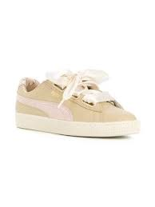 | Puma Fotm Heart Coachella |  |  | 6 | 24 |  | 32 |  | 16 | 6 |  | 1 |  | 85 | € 100.00
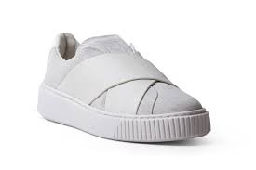 | Puma Slct Wn Platform |  |  | 16 | 24 |  | 16 |  | 18 | 13 |  | 3 |  | 90 | € 120.00
 | Puma Slct Wn Platform |  |  | 15 | 23 |  | 20 |  | 16 | 14 |  | 2 |  | 90 | € 120.00
 | Puma Slct Wn Platform |  |  | 10 | 8 |  | 16 |  |  | 9 |  | 1 |  | 44 | € 120.00
 | Puma Slct Wn Platform |  |  | 4 | 5 |  | 5 |  | 6 | 6 |  | 1 |  | 27 | € 120.00
 | Puma W Basket Heart Velvet |  |  | 11 | 15 |  | 21 |  | 10 | 6 |  | 4 |  | 67 | € 100.00
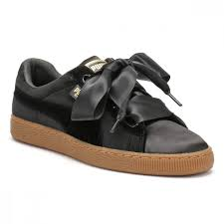 | Puma W Basket Heart Vs |  |  |  |  |  | 1 |  |  |  |  |  |  | 1 | € 100.00
 | Puma W Suede Heart Bubble |  |  | 8 | 11 | 2 | 18 |  | 6 | 7 |  | 2 | 1 | 55 | € 100.00
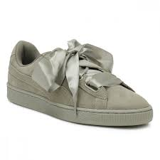 | Puma W Suede Heart Pebble |  | 1 | 9 | 16 | 2 | 11 | 1 | 4 | 4 |  | 1 | 1 | 50 | € 90.00
 | Puma Wns Basket Heart Rg |  |  | 16 | 34 |  | 58 |  | 40 | 33 |  | 15 |  | 196 | € 120.00
 | Puma Wns Basket Platform Bauble |  |  |  | 1 |  | 9 |  | 3 |  |  |  |  | 13 | € 120.00
 | Puma Wns Suede Heart Reset |  | 10 | 6 | 3 | 29 | 6 | 26 | 20 | 3 |  | 6 |  | 109 | € 90.00
 | Puma Wns Suede Heart Satin II |  |  | 16 | 37 |  | 58 |  | 45 | 33 |  | 12 |  | 201 | € 100.00
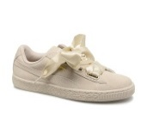 | Puma Wns Suede Heart Satin II |  |  | 4 | 8 |  | 6 |  | 6 | 6 |  | 4 |  | 34 | € 100.00
 | Puma Wns Vikky Platform Rib Sd |  |  |  | 4 |  | 2 |  |  | 10 |  | 6 |  | 22 | € 70.00
 | Puma Suede Heart Satin Wn's |  | 3 | 11 | 33 | 4 | 33 | 4 | 24 | 14 | 2 | 4 | 2 | 134 | € 90.00
 | Puma Suede Heart Reset Pink |  | 6 | 21 | 41 | 6 | 66 | 5 | 58 | 49 | 1 | 5 |  | 258 | € 90.00
 | Puma Suede Heart Bubble |  | 20 | 101 | 163 | 40 | 176 | 33 | 121 | 85 |  | 23 | 4 | 766 | € 120.00
 | Puma Wns Suede Heart Satin II |  |  | 152 | 401 |  | 715 |  | 554 | 414 |  | 137 |  | 2373 | € 100.00
 | Puma Wns Basket Heart Vs |  |  | 23 | 30 |  | 48 | 2 | 62 | 34 |  | 26 | 6 | 231 | € 100.00
 | Puma Wns Basket Heart Vs |  |  | 39 | 73 |  | 94 |  | 78 | 47 |  | 37 | 8 | 376 | € 100.00
 | Puma Wns Basket Heart Velvet |  |  | 82 | 121 |  | 172 |  | 116 | 50 |  | 12 |  | 553 | € 100.00

